Summary
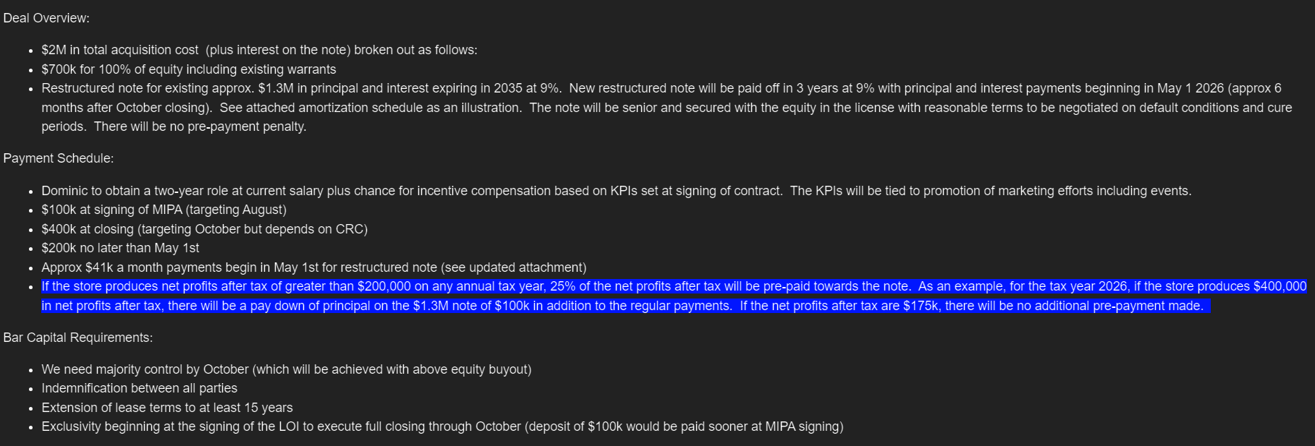
Summary

Overview:
-Steady performing store at about $3.4M gross / $3M net revenues.
-No marketing spend currently
-Will be breakeven at acquisition based on current figures
-Location is convenient to highways and located on high traffic road with Dunkin and McDonalds drive thru nearby.
Address: 2895 Mt Ephraim Ave, Camden, NJ 08104
Deal Stage: Pre-LOI Terms are close to agreement Seller Status: Green Social Equity: Yellow (employee and incentive equity negotiation) Landlord: Green (no deal ending issues)
Location Score: 8/10 Upside Potential: 8/10 Deal Terms: 9/10 Risk to Conversion: 5/10 (standard concerns)

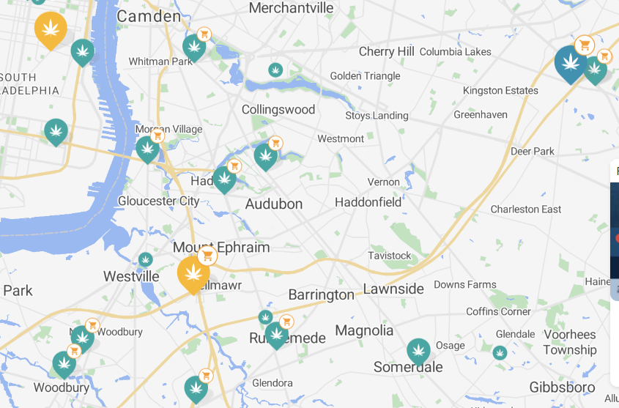

 | Estimated 10 minute driving distance from Organic Farms

 | Estimated 20-30 minute driving distance from Organic Farms

 | Pistil Data Report Summary | Latest 3-months | Annualized Revenue (based on latest 3-months)
 | Cuzzie's Dispensary | 200,100 | 800,400
 | Indigo | 6,680,200 | 26,720,800
 | Curaleaf - Belmawr | 2,889,200 | 11,556,800
 | Nova Farms | 3,751,700 | 15,006,800
 | Organic Farms | 825,000 | 3,300,000
 | *Data as of 7/15/25

Current Terms

